BOM
Item | Part Number | Thumbnail | BOM Structure | Unit QTY | QTY | Description | Weight (g) | Cost (£) | Sum (£)
1 | LI0001-CASE BODY | 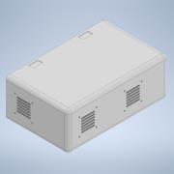 | Normal | Each | 1 | Outer casing for enclosure | 1329 | £26.58 | £26.58
2 | LI0005-SEAL | 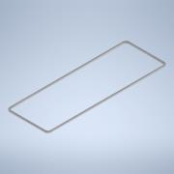 | Normal | Each | 1 | Seal for enclosure body | 19 | £0.38 | £0.38
3 | LI0006-CLASP | 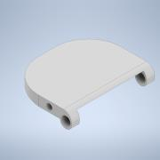 | Normal | Each | 4 | clasp for lid latching mechanism | 4.37 | £0.09 | £0.35
4 | LI0007-LATCH | 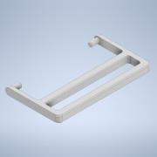 | Normal | Each | 4 | Latch for lid latching mechanism | 2.34 | £0.05 | £0.19
5 | FAN SPACE MODEL | 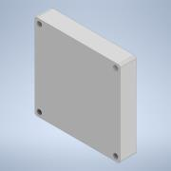 | Normal | Each | 4 | Space model to represent an 80mm fan https://uk.rs-online.com/web/p/axial-fans/1919379 | * | £24.07 | £96.28
6 | LI0002-CASE LID | 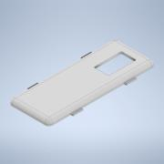 | Normal | Each | 1 | Lid for enclosure | 310 | £6.20 | £6.20
7 | LI0004-ROD | 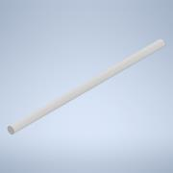 | Normal | Each | 4 | 10mm guide rods for installing lid to enclosure https://uk.rs-online.com/web/p/plastic-rods/0514512 | * | £3.51 | £14.04
8 | LI0011-IO SHIELD | 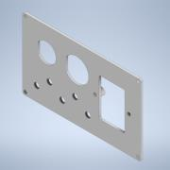 | Normal | Each | 1 | Shield to hold all I/O components | 17 | £0.34 | £0.34
9 | RS PRO USB 2.0 Cable, Female USB A to Male USB A USB Extension Cable, 200mm |  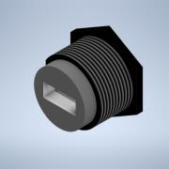 | Normal | Each | 1 | Space model for USB connector https://uk.rs-online.com/web/p/usb-cables/1116748 | * | £29.58 | £29.58
10 | W9011M COAXIAL CONNECTOR |   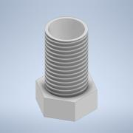 | Normal | Each | 5 | Space model for coaxial connector https://uk.farnell.com/pulse-electronics/w9011m/cable-assy-u-fl-r-a-plug-sma-jack/dp/3861118 | * | £3.08 | £15.40
11 | c-1-1609112-4-c-3d |   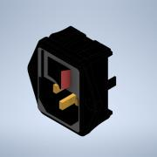 | Normal | Each | 1 | Space model for switch AC power input https://www.te.com/usa-en/product-1-1609112-4.html | * | £17.00 | £17.00
12 | LI0012-IO SHIELD SEAL | 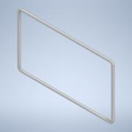 | Normal | Each | 1 | Seal for I/O shield | 2 | £0.04 | £0.04
13 | M3 WASHER | 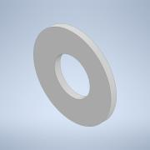 | Normal | Each | 58 | M3 washer https://www.accu.co.uk/flat-washers/72482-HPW-M3-A2 | * | £0.45 | £26.10
14 | M3 X 6 | 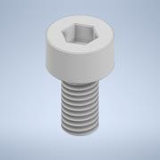 | Normal | Each | 56 | Cap head M3 bolt 6mm long https://www.accu.co.uk/cap-head-screws/3817-SSCF-M3-6-A2 | * | £0.51 | £28.56
15 | LI0009 XILINX SHELF | 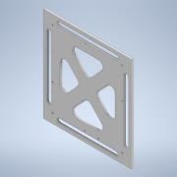 | Normal | Each | 1 | Shelf for FPGA board | 111 | £2.22 | £2.22
16 | XILINX BOARD FOOTPRINT | 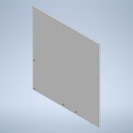 | Normal | Each | 1 | Space model for FPGA board footprint | * | £0.00 | £0.00
17 | HHTPS-M3-5-8-S-Z | 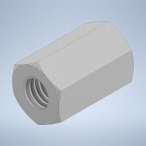 | Normal | Each | 25 | M3 x 8mm x 5.5mm Threaded Hexagon Spacers https://www.accu.co.uk/threaded-hexagonal-spacers/464774-HHTPS-M3-5-5-8-SS?google_shopping=1&c=5 | * | £2.77 | £69.25
18 | LI0003-COMPONENT SHELF |  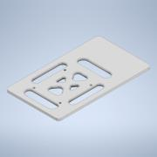 | Normal | Each | 4 | Shelf for mounting components | 39 | £0.78 | £3.12
19 | rcp-080-t_3D1 |      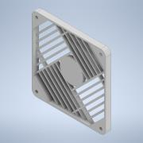 | Normal | Each | 4 | Space model for fan filter https://uk.rs-online.com/web/p/fan-filters/7134396 | * | £3.50 | £14.00
20 | LI0010-FAN SHROUD |    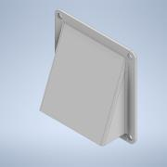 | Normal | Each | 5 | Exterior rain cover for fan vents | 31 | £0.62 | £3.10
21 | LI0013-FOOT | 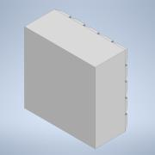 | Normal | Each | 4 | supporting foot for enclosure | 13 | £0.26 | £1.04
22 | LI0017-LATCH BARREL | 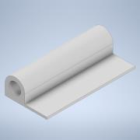 | Normal | Each | 4 | Glue in place barrel for latch mechanism | 4 | £0.08 | £0.32
23 | LI0008-LATCH PIN | 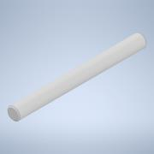 | Normal | Each | 4 | Pin for securing latch mechanism | 1 | £0.02 | £0.08
24 | M3 X 25 | 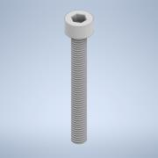 | Normal | Each | 16 | Cap head M3 bolt 25mm long https://www.accu.co.uk/cap-head-screws/2804-SSC-M3-25-A2 | * | £0.55 | £8.80
25 | M3 X 10 | 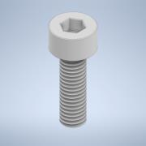 | Normal | Each | 4 | Cap head M3 bolt 10mm long https://www.accu.co.uk/cap-head-screws/3819-SSCF-M3-10-A2 | * | £0.48 | £1.92
26 | RJFTV21 X Amphenol Connector |  | Normal | Each | 1 | Amphenol RJFTV Female RJ45 Connector Cat5e, RJFTV https://uk.rs-online.com/web/p/ethernet-connectors/6950289?cm_mmc=UK-PPC-DS3A-_-google-_-3_UK_EN_Connectors_Ethernet+Connectors_Phrase-_-Amphenol+Socapex+-+6950289+-+RJFTV21N-_-rjftv21n&matchtype=p&aud-659911584228:kwd-10787566797&cq_src=google_ads&cq_cmp=12689162377&cq_term=rjftv21n&cq_plac=&cq_net=g&cq_plt=gp&gclid=CjwKCAjwpayjBhAnEiwA-7enayRnm2edE6y5ABUDPKptV7NbpyQ1-RbMC5DZ-dQtYa-MetTWcVulwRoCybUQAvD_BwE&gclsrc=aw.ds | * | 57.29 | £57.29
27 | LI0018-NETWORKING SHELF |  | Normal | Each | 1 | Shelf for networking board | 39 | 0.78 | £0.78
28 | ACCU HHTPS-M2.5-5-8-S-Z |  | Normal | Each | 8 | M2.5 x 8mm x 5.5mm Threaded Hexagon Spacers https://www.accu.co.uk/threaded-hexagonal-spacers/464672-HHTPS-M2-5-5-8-BR-NI | * | £1.24 | £9.92
29 | M2.5 X 6 |  | Normal | Each | 16 | Cap head M2.5 bolt 6mm long https://www.accu.co.uk/cap-head-screws/3804-SSCF-M2-5-6-A2 | * | £0.52 | £8.32
30 | M2.5 WASHER |  | Normal | Each | 8 | M2.5 flat washer https://www.accu.co.uk/flat-washers/72477-HPW-M2-5-A2 | * | 0.45 | £3.60

 |  |  |  |  |  |  |  |  | £444.80 | £44.74

